Start
 | Sprache wählen Select your language Seleziona la tua lingua

 |  | English

 | Choose what you want to do:

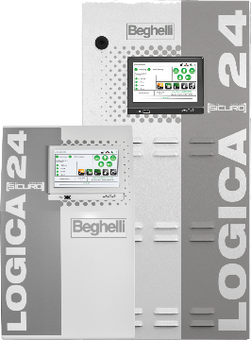

Calculation Sicuro24 4 circuits | Calculation Sicuro24 8 circuits |  | Calculation Sicuro24 Extreme 4 circuits | Calculation Sicuro24 Extreme 8 circuits

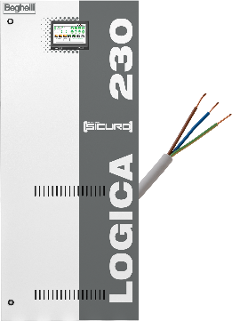
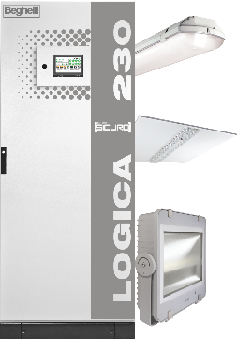

Cable cross section Sicuro230 | Inrush current Sicuro230

